Dala Sales & Deliveries
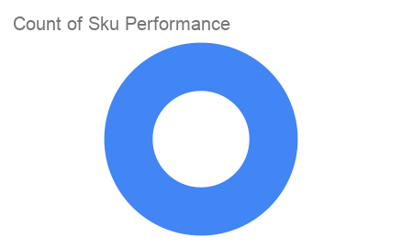
 | Total Invoices Delivered | 7.00 | Sku Performance | Units | Value
 | Unique Locations Supplied | 7.00 | 450g Cleevalicious Tom Brown Cereal (12x) | 5.00 | 240,000.00
 | Total Value of orders | 240,000.00 |  | 0.00 | 0.00
 |  |  |  | 0.00 | 0.00
 |  |  |  | 0.00 | 0.00
 |  |  |  | 0.00 | 0.00
 |  |  |  | 0.00 | 0.00
 |  |  |  | 0.00 | 0.00
 |  |  |  | 0.00 | 0.00
 |  |  |  | 0.00 | 0.00
 |  |  |  | 0.00 | 0.00
2025-04-11 |  |  |  | 0.00 | 0.00
 |  |  |  | 0.00 | 0.00

